Question 2
Question 2

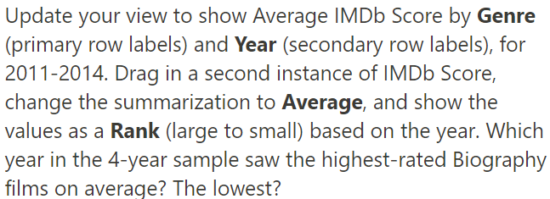

 | Solution : highest - 2013 with avg:7.49 ; lowest - 2011 with avg:6.81
 | Quarters | (All)
 | Release Date | (All)

 | Genre | Years | Average of IMDb Score (1-10) | Rank of IMDb Score (1-10)
 | Action |  | 6.40
 |  | 2011 | 6.26 | 4
 |  | 2012 | 6.35 | 3
 |  | 2013 | 6.56 | 1
 |  | 2014 | 6.45 | 2
 | Adventure |  | 6.64
 |  | 2011 | 6.40 | 4
 |  | 2012 | 6.76 | 2
 |  | 2013 | 6.60 | 3
 |  | 2014 | 6.81 | 1
 | Animation |  | 6.74
 |  | 2011 | 5.35 | 4
 |  | 2012 | 7.33 | 1
 |  | 2013 | 7.00 | 3
 |  | 2014 | 7.20 | 2
 | Biography |  | 7.09
 |  | 2011 | 6.81 | 4
 |  | 2012 | 7.19 | 2
 |  | 2013 | 7.49 | 1
 |  | 2014 | 6.86 | 3
 | Comedy |  | 6.19
 |  | 2011 | 6.25 | 1
 |  | 2012 | 6.15 | 3
 |  | 2013 | 6.21 | 2
 |  | 2014 | 6.13 | 4
 | Crime |  | 6.77
 |  | 2011 | 6.94 | 1
 |  | 2012 | 6.53 | 4
 |  | 2013 | 6.75 | 3
 |  | 2014 | 6.86 | 2
 | Documentary |  | 6.42
 |  | 2011 | 6.15 | 3
 |  | 2012 | 6.80 | 2
 |  | 2013 | 5.75 | 4
 |  | 2014 | 6.95 | 1
 | Drama |  | 6.68
 |  | 2011 | 6.66 | 2
 |  | 2012 | 6.84 | 1
 |  | 2013 | 6.66 | 3
 |  | 2014 | 6.54 | 4
 | Fantasy |  | 5.80
 |  | 2011 | 5.40 | 3
 |  | 2012 | 7.00 | 1
 |  | 2013 | 6.27 | 2
 |  | 2014 | 4.70 | 4
 | Horror |  | 5.60
 |  | 2011 | 5.43 | 3
 |  | 2012 | 5.24 | 4
 |  | 2013 | 6.08 | 1
 |  | 2014 | 5.72 | 2
 | Mystery |  | 7.30
 |  | 2011 | 7.30 | 1
 | Romance |  | 7.10
 |  | 2011 | 7.10 | 1
 | Thriller |  | 4.80
 |  | 2014 | 4.80 | 1
 | Grand Total |  | 6.46

